Results
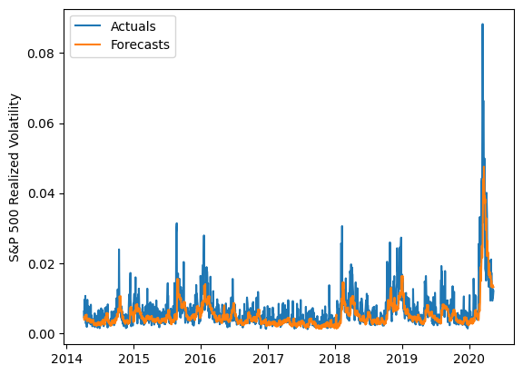
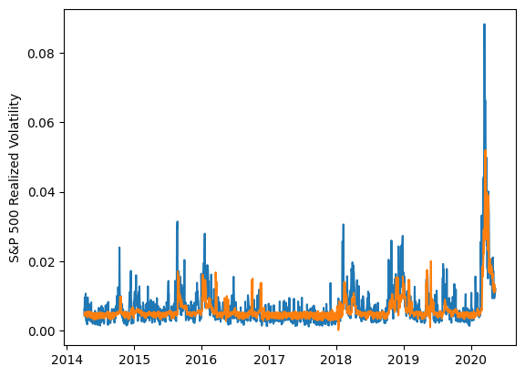
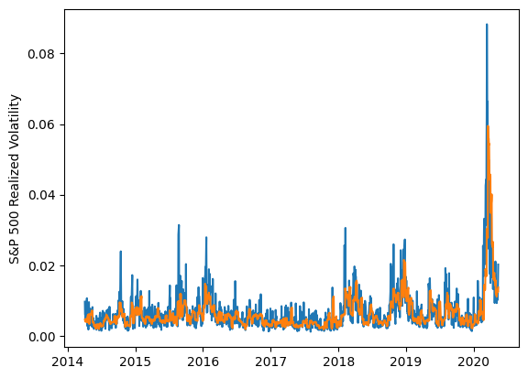
 | LSTM |  |  | TCN |  |  | NBEATSx |  |  |  |  | LSTM |  |  | TCN |  |  | NBEATSx
 | Accuracy | RMSE | Qlike | Accuracy | RMSE | Qlike | Accuracy | RMSE | Qlike |  |  | Accuracy | RMSE | Qlike | Accuracy | RMSE | Qlike | Accuracy | RMSE | Qlike
Trial 1 | 63.80% | 0.0026134292965 | 0.18870573167 | 46.13% | 0.0027691009406 | 0.17353464353 | 63.11% | 0.0024333147262 | 0.11843537958 |  | Mean | 57.78% | 0.256% | 0.140 | 48.35% | 0.277% | 0.166 | 63.32% | 0.241% | 0.116
Trial 2 | 54.72% | 0.0025368705796 | 0.1191488729 | 48.16% | 0.0027025644423 | 0.1628446602 | 63.92% | 0.0023780473086 | 0.11408598362 |  | Standard Deviation | 5.90% | 0.012% | 0.041 | 4.47% | 0.010% | 0.017 | 0.53% | 0.002% | 0.002
Trial 3 | 58.54% | 0.0024489002738 | 0.11269665365 | 53.10% | 0.0026002202385 | 0.14371371285 | 63.63% | 0.0024153235815 | 0.11732208043 |  | 95% CI upper bound | 69.58% | 0.280% | 0.222 | 57.28% | 0.296% | 0.200 | 64.38% | 0.244% | 0.120
Trial 4 | 57.66% | 0.0025035778282 | 0.11369383445 | 45.85% | 0.0028691422592 | 0.17961431044 | 63.34% | 0.0024189563024 | 0.11573048251 |  | 95% CI lower bound | 45.97% | 0.233% | 0.059 | 39.42% | 0.257% | 0.131 | 62.27% | 0.238% | 0.112
Trial 5 | 62.85% | 0.0024825963018 | 0.13787802233 | 53.44% | 0.0026279679575 | 0.14626075816 | 62.93% | 0.0024161042438 | 0.11485742255 |  | 99.7% CI upper bound | 75.49% | 0.291% | 0.263 | 61.75% | 0.306% | 0.217 | 64.90% | 0.246% | 0.122
Trial 6 | 56.49% | 0.0025146097081 | 0.11606521342 | 52.01% | 0.0027193942094 | 0.15323446042 | 62.54% | 0.0024313158709 | 0.11566715849 |  | 99.7% CI lower bound | 40.07% | 0.221% | 0.018 | 34.95% | 0.247% | 0.114 | 61.74% | 0.236% | 0.110
Trial 7 | 42.70% | 0.0028744112451 | 0.12387798901 | 43.77% | 0.002841559353 | 0.17993090604 | 64.22% | 0.0023914220754 | 0.1184307152
Trial 8 | 61.52% | 0.0027136240433 | 0.24899656945 | 47.67% | 0.0028127637066 | 0.16916838304 | 63.39% | 0.0024118680302 | 0.11584556015
Trial 9 | 59.33% | 0.0025082677105 | 0.12013427616 | 38.47% | 0.00297722315 | 0.20347827775 | 63.03% | 0.0024282557524 | 0.11931282175
Trial 10 | 58.20% | 0.0024966450748 | 0.11833525712 | 52.45% | 0.0026903560826 | 0.14956395899 | 62.50% | 0.0024298656901 | 0.11361368821
Trial 11 | 47.48% | 0.0027007502126 | 0.12491203978 | 45.27% | 0.0027993820499 | 0.17678305468 | 63.34% | 0.0024022741593 | 0.11388969296
Trial 12 | 58.15% | 0.0024980980456 | 0.11896732784 | 45.97% | 0.0028329445273 | 0.17910210298 | 62.73% | 0.0024164518408 | 0.11225459136
Trial 13 | 58.32% | 0.0024801381803 | 0.11611562985 | 51.29% | 0.0026873333032 | 0.15228530117 | 63.55% | 0.0023951798545 | 0.1141456949
Trial 14 | 63.10% | 0.0024843663007 | 0.1379396529 | 46.72% | 0.0028293328109 | 0.17214891643 | 64.14% | 0.0024047304294 | 0.11797719578
Trial 15 | 63.75% | 0.0025832984708 | 0.20515265346 | 54.96% | 0.0027178278352 | 0.14430966395 | 63.44% | 0.0024133863083 | 0.1156553698

 | LSTM (best trial) |  |  |  |  |  |  |  |  | TCN (best trial) |  |  |  |  |  |  |  |  | NBEATSx (best trial)

